Hello World! MakeCode
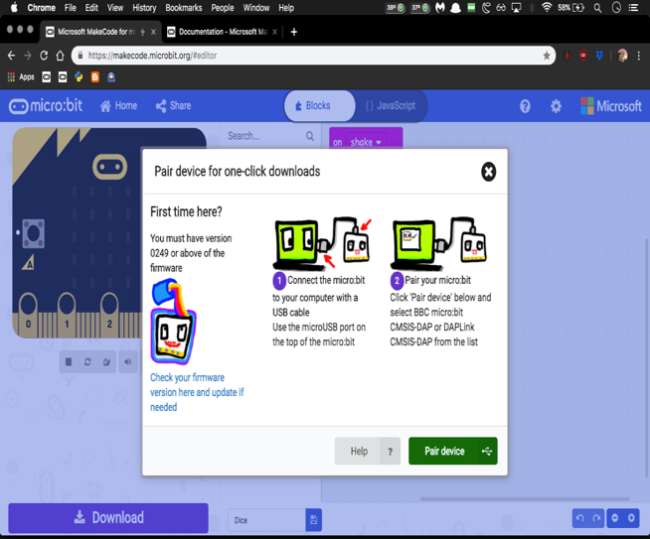
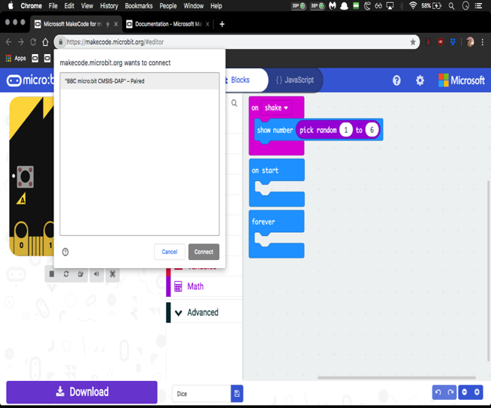
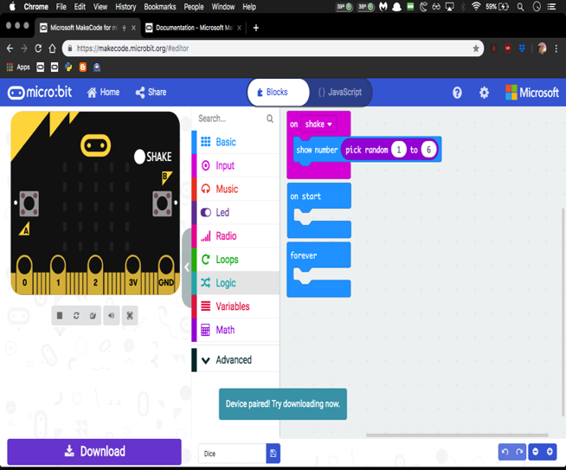
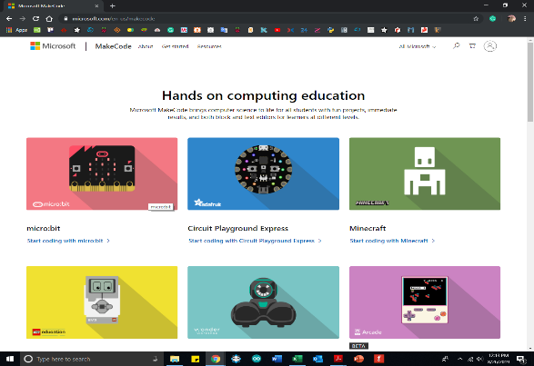
Starting Microsoft MakeCode for BBC micro:bit
No | Description | Visual Aided
1 | Go to https://www.microsoft.com/en-us/makecode
2 | Click Start coding with micro:bit
3 | Click on the New Project
4 | MakeCode editor for micro:bit will start
5 | Start coding!
 | ** The editor has the an areas and controls -- self-explained (move the cursor to the icons)

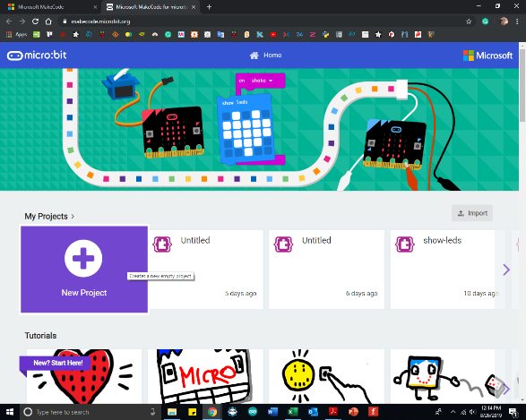

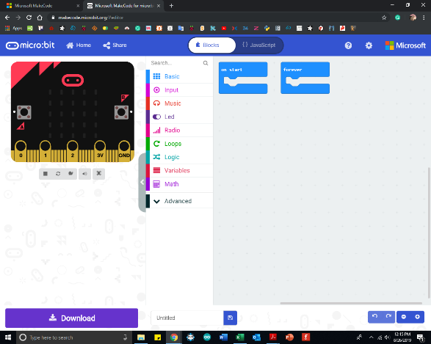

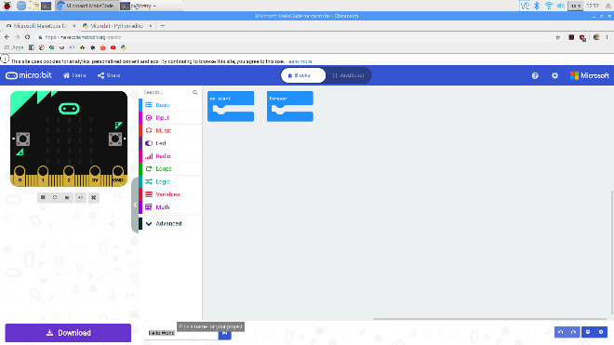
Hello World! MakeCode for BBC micro:bit
No | Description | Visual Aided
1 | Re-name project

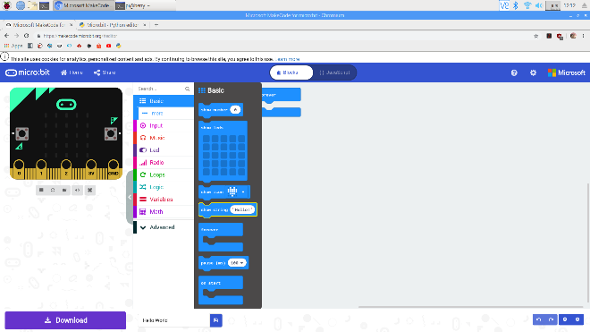
2 | Go Basic > show string

 | ** on start -- start instantly once microbit are turn on

 | ** forever -- same as while True (loops)

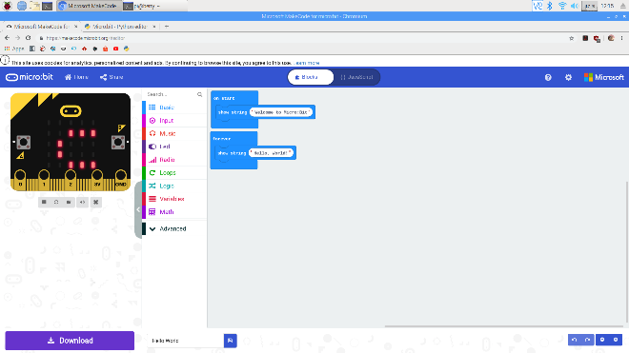

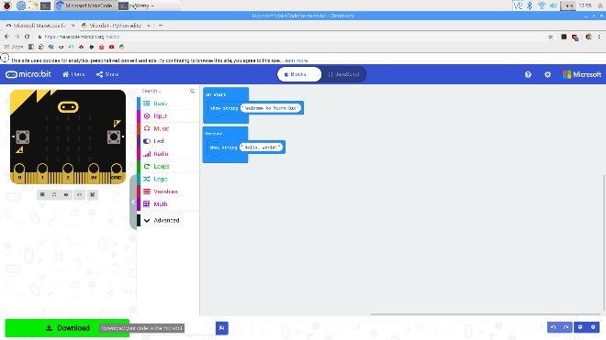
3 | Download hex file

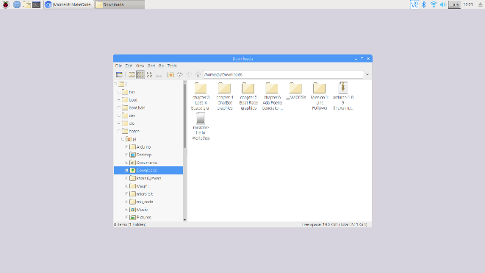
4 | Copy hex file into microbit (drag from where the hex file were downloaded)

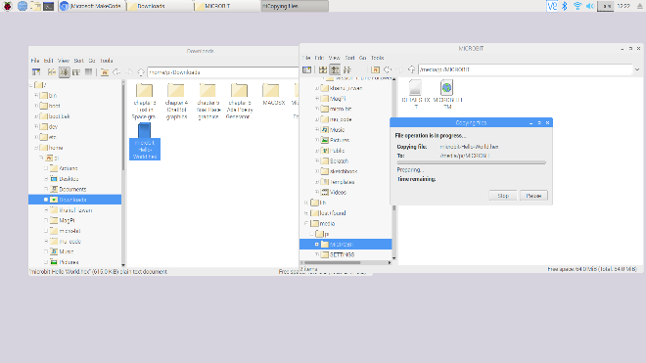

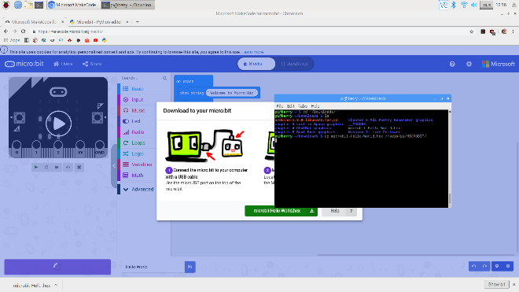
 | OR |  | ** For Advanced User
 | Using Terminal (LXTerminal)

 | Go to download folder: cd ~/Downloads

 | Copy hex file into microbit: cp microbit-Hello-World.hex /media/pi/MICROBIT/

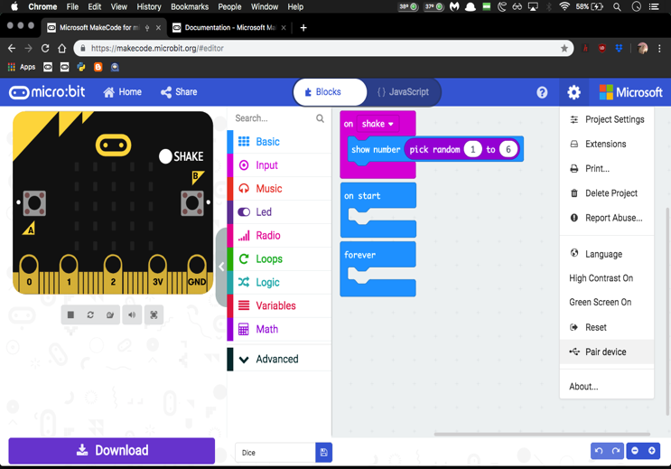
 | OR
 | Do the pairing -- directly flash a hex file to the micro:bit from the MakeCode editor using WebUSB

 | ** Use Google Chrome (easier)

 | Update micro:Bit firmware version: https:// microbit.org/guide/ rmware/

 | Connect the micro:Bit and download hex file onto it directly

Hello World! MicroPython (On9)
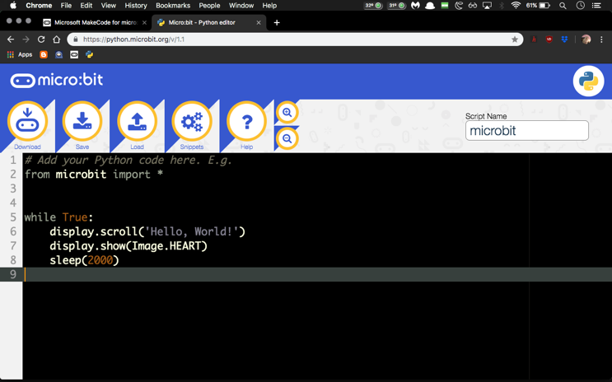
Starting Microsoft MakeCode for BBC micro:bit
No | Description | Visual Aided
1 | Go to https://python.microbit.org/v/1.1
2 | Start coding!
 | ** The editor has the an areas and controls -- self-explained (move the cursor to the icons)

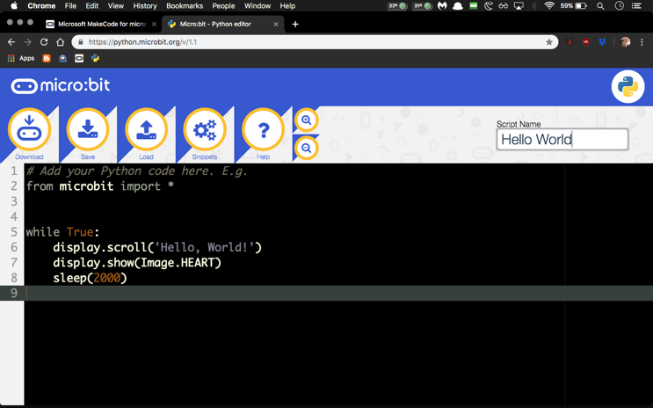
Hello World! MakeCode for BBC micro:bit
No | Description | Visual Aided
1 | Re-name project


1 | Download hex files

